Sheet1
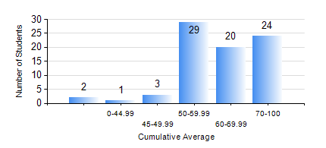
 |  |  | KWAME NKRUMAH UNIVERSITY OF SCIENCE AND TECHNOLOGY, KUMASI Department of Computer Engineering

 |  |  | BSC. BIOMEDICAL ENG.

 |  |  | COMPREHENSIVE RECORD OF EXAMINATION RESULTS

 |  |  | RESULTS OF YEAR 1 SECOND SEMESTER, 2018/2019 ACADEMIC YEAR

 | Sn | Course Code |  | Course Name | Credit Hours | Min. Mark | Max. Mark | Avg. Mark | Std. Dev. | No. Passed | No. Trailed | No. (Df) | No. (I) | No. (I*) | No. Tagged(I,I*,Df) | Total
 | 0. |  |  |  |  |  |  | 0 | 0 | 0 | 0 | 0 | 0 | 0 | 0 | 4
 | 1. | COE 152 |  | BASIC ELECTRONICS | 3 | 50 | 92 | 65 | 10.21 | 75 | 0 | 0 | 0 | 0 | 0 | 75
 | 2. | COE 158 |  | INTRODUCTION TO INFORMATION TECHNOLOGY | 2 | 23 | 81 | 64 | 9.24 | 74 | 1 | 0 | 0 | 0 | 0 | 75
 | 3. | EE 156 |  | ELECTRICAL ENGINEERING DRAWING | 2 | 50 | 92 | 71 | 9.22 | 75 | 0 | 0 | 0 | 0 | 0 | 75
 | 4. | ENGL 158 |  | COMMUNICATION SKILLS II | 2 | 57 | 82 | 73 | 5.49 | 75 | 0 | 0 | 0 | 0 | 0 | 75
 | 5. | MATH 152 |  | CALCULUS WITH ANALYSIS | 4 | 33 | 87 | 54 | 13.43 | 72 | 3 | 0 | 0 | 0 | 0 | 75
 | 6. | PHY 154 |  | PROPERTIES OF MATTER | 2 | 40 | 74 | 57 | 9.57 | 75 | 0 | 0 | 0 | 0 | 0 | 75
 | 7. | SOC 152 |  | INTRODUCTION TO SOCIOLOGY | 3 | 40 | 87 | 67 | 11.02 | 75 | 0 | 0 | 0 | 0 | 0 | 75
 | 8. | SSN 166 |  | BIOCHEMISTRY | 2 | 40 | 86 | 61 | 12.18 | 75 | 0 | 0 | 0 | 0 | 0 | 75

